Sheet 1 (2)
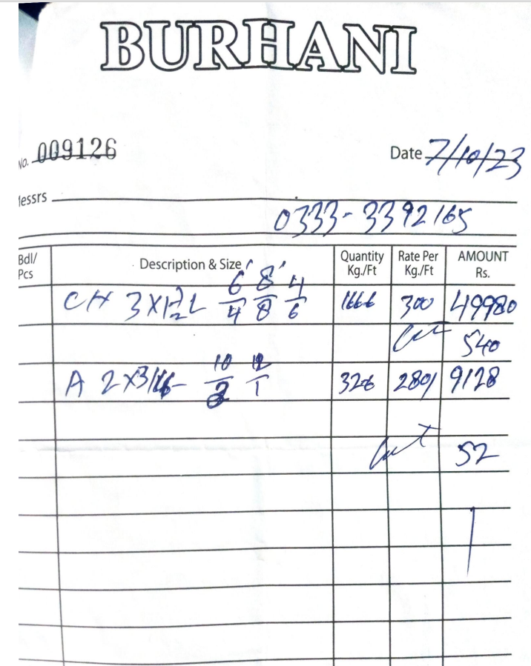
Dated: | 3-Nov-23
Project: | Construction of Standard Chartered bank at I.I Chundrigar Road karachi.

Rate Analysis of Channel support For Outdoor unit plateform
S. # | Description | Unit | Quantity |  |  | Rate | Amount | Gross
 |  |  | Actual | Waste | Total
A MATERIAL.
1 | Supply of MS C-Channel support size of 3''x 1 1/2''. | Rft | 250.00 |  | 250.00 | 600 | 150,000
2 | Supply of MS Angle iron support size of 2''x 2'' . | Rft | 126.00 |  | 126.00 | 309 | 38,879
3 | Providing of Paint | Nos | 1.00 |  | 1.00 | 30,000 | 30,000
 | Total. |  |  |  |  |  | 218,879 | 218,879
B LABOUR.
S. # | Description | Unit | Quantity |  |  | Rate | Amount | Gross
 |  |  | Actual | Waste | Total
1 | Installation of MS C-Channel support size of 3''x 1 1/2''. | Rft | 250.00 |  | 250.00 | 120 | 30,000
2 | Installation of MS Angle iron support size of 2''x 2'' . | Rft | 126.00 |  | 126.00 | 100 | 12,600
3 | Application of Painting | Job | 1.00 |  | 1.00 | 15,000 | 15,000

 | Total. |  |  |  |  |  | 57,600 | 276,479
C OTHER
S. # | Description | Unit | Quantity |  |  | Rate | Amount | Gross
 |  |  | Actual | Waste | Total

 | Total. |  |  |  |  |  | - | 276,479
 | Total Rs. |  |  |  |  |  |  | 276,479
Sub-Contractor Margin: |  |  | 25% |  |  |  |  | 69,120
Total Price |  |  |  |  |  |  |  | 345,598

